Sheet1
2015 4-Year Cohort Graduation Rate

Calculate the 4-Year Cohort Graduation Rate as follows:

# of 2015 Cohort Members Who Graduated with a Regular Education Diploma in 2015 (diploma type = General)
# of First Time 9th Graders in 2012 + Transfers In - Transfers Out, Emigrate or Die in 2012, 2013, 2014, and 2015

Students who transfer in, transfer out, emigrate or die must have been a first time 9th grader in the school year 2011-2012.

10. | = | # of Students in the 2015 Cohort Who Graduated with a Regular Education Diploma in 2015 (diploma type = General) |  |  | Instructions: 1. Login to the portal. 2. The data file is located in one of two places: • Cohort Withdrawal Update Application (Cohort Graduation Rate report) • CCRPI Report (Data Details tab) 3. Select Graduation Rate under File Type. 4. Turn on filters (Data, Filter). 5. Click on column A and select 4 (represents 4-year cohort data). 6. Filter on appropriate school ID – column D (district user only). • For district graduation rate, use column D and filter on ALL. 7. For row 10 of calculator – use column AN (Updated Diploma Type) to filter on codes G. * 8. Re-set filter for column AN to “Select All”. 9. For row 12 of calculator – use column G to filter on 2012. * 10. For row 14 of calculator – use column G to filter on 2013. * 11. For row 16 of calculator – use column G to filter on 2014. * 12. For row 18 of calculator – use column G to filter on 2015. * 13. Re-set filter for column G to “Select All”. 14. For row 20 of calculator – use column AK to filter on the following withdrawal codes for transfers out, emigrate out, or die: 1, 2, 3, 4, D, H, J, K, N, T, V, W, X, Y, Z (For District level graduation rate, filter on the following withdrawal codes for transfers out, emigrate out, or die: 1, 4, D, H, J, K, N, T, X, Y, Z) * *See bottom left hand corner of screen for number that represents filter criteria.

12. | = | # of First Time 9th Graders in 2012

14. | = | # Transfers In to the Cohort in 2013

16. | = | # Transfers In to the Cohort in 2014

18. | = | # Transfers In to the Cohort in 2015

20. | = | # Transfers Out, Emigrate or Die in 2012, 2013, 2014, and 2015

 | = | Cohort Graduation Rate |  | #10 divided by ( #12 + #14 + #16 + #18 - #20 )

Withdrawal Codes
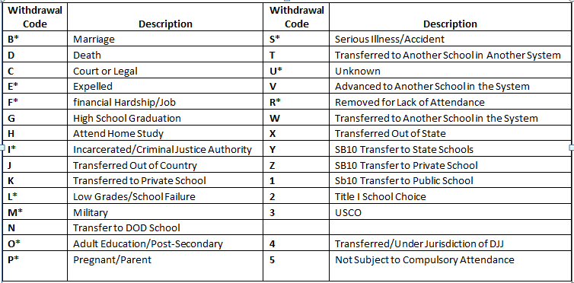

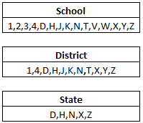

 |  |  | *Drop Out Codes

