DIRECTIONS
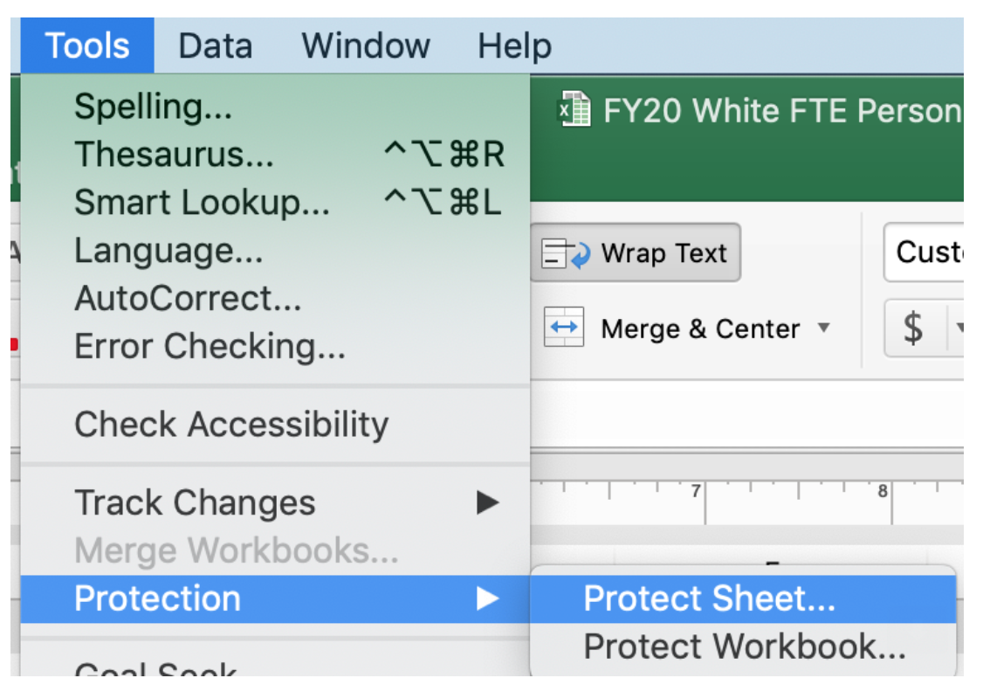
DIRECTIONS:

FOR THE DISTRICT SHEET:
This page can be protected/locked. To lock & edit, see directions to the right.
The district page combines data from the school sheets.
This workbook has 7 total sheets for 7 maximum schools.
If the system number of schools exceeds 7, the options are to:
Create multiple workbooks and group schools by a preferred logical method:
 | Feeder Schools
 | By grade spans
The district may also copy a sheet to add more in the workbook.
This would require updating all of the district forumulas to include new sheets.

FOR EACH SHEET:
To keep data current for each upcoming year, complete the following:
Update the fiscal year on all sheets.
Update the FTE cycles on each sheet by replacing the existing school year with the
next number.
Leave the cycles unchanged (example: change 2017-1 to 2018-1)

FOR EACH SCHOOL SHEET:
Locate the FTE report BY SCHOOL that includes the actual FTE earned for the cycles in this
workbook.
Enter the numbers for each cycle by SPED category. Confirm the entries are correct.

FOR EACH SCHOOL SHEET:
Enter the actual staff by name in the teacher column IF paid by QBE funds.
Enter their QBE allocation for that school in a decimal format (use the dropdown menu)
Enter the number of paras paid by QBE in the yellow field in PARA column.

